Sheet1
 |  | Document No. | Issue No. | Issue Date |  | Review and Replace Date |  | Authorised By
 |  | GFF420MC | 2 | 18.04.2024 |  | 06.12.2024 |  | Magda Shah
 |  | Document Title | Potato Dauphinoise 350g

Document amendments reason for change |  | Film updated | Page 1 of 1 |  | Previous Issue Date |  | 18.04.2024 | Uncontrolled copy unless signed original

CVPD-R8T | Gazebo Cuisine |  | Potato Dauphinoise 350g
STEP 1 |  |  |  |  | STEP 2
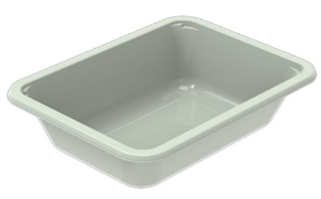 |  |  |  |  | 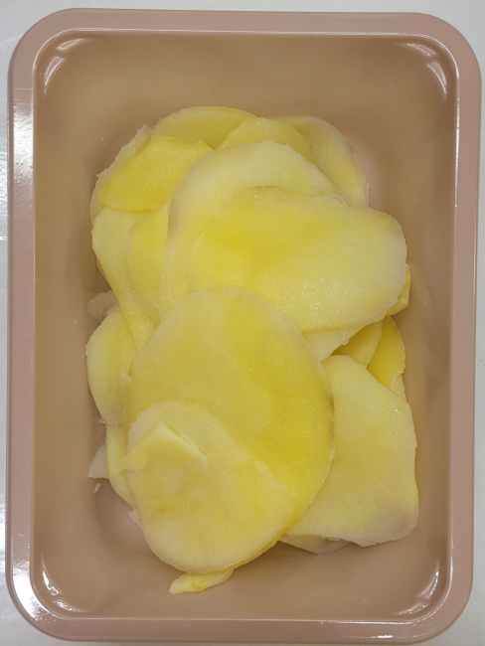

PACK DAY + 1 YEAR
MAP PACK

Tray: EVOLVE CPET 2171-1F FROST (PKRHP001-14) |  |  |  |  | Steamed Sliced Potato (GFF468R): 190g
Film: AF Weld Film (300mmX1000lm)- (1X1000) -PKKMP001-07
STEP 3 |  |  |  |  | STEP 4
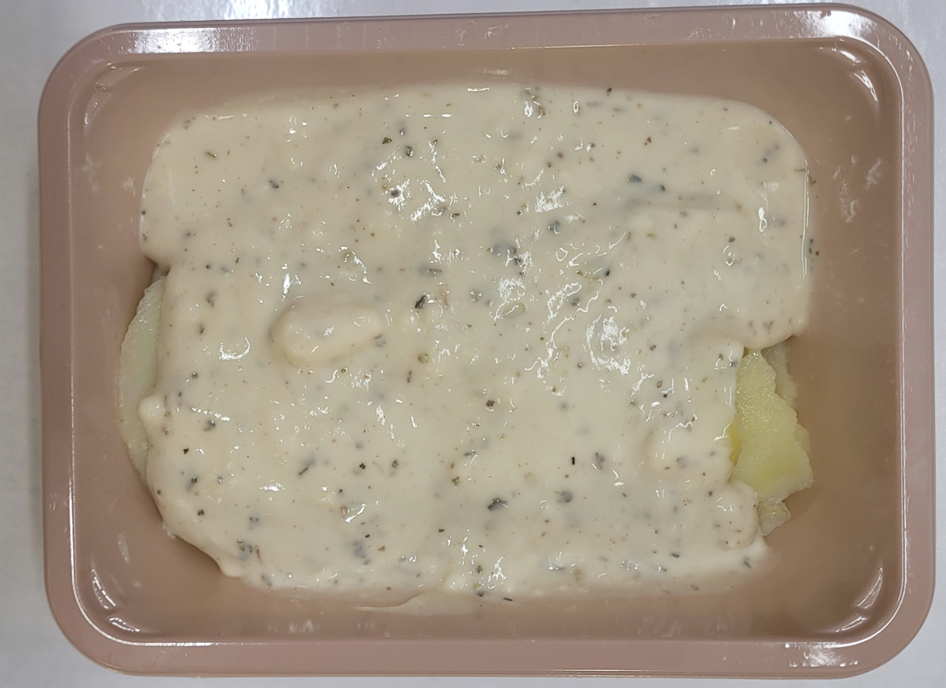 |  |  |  |  | 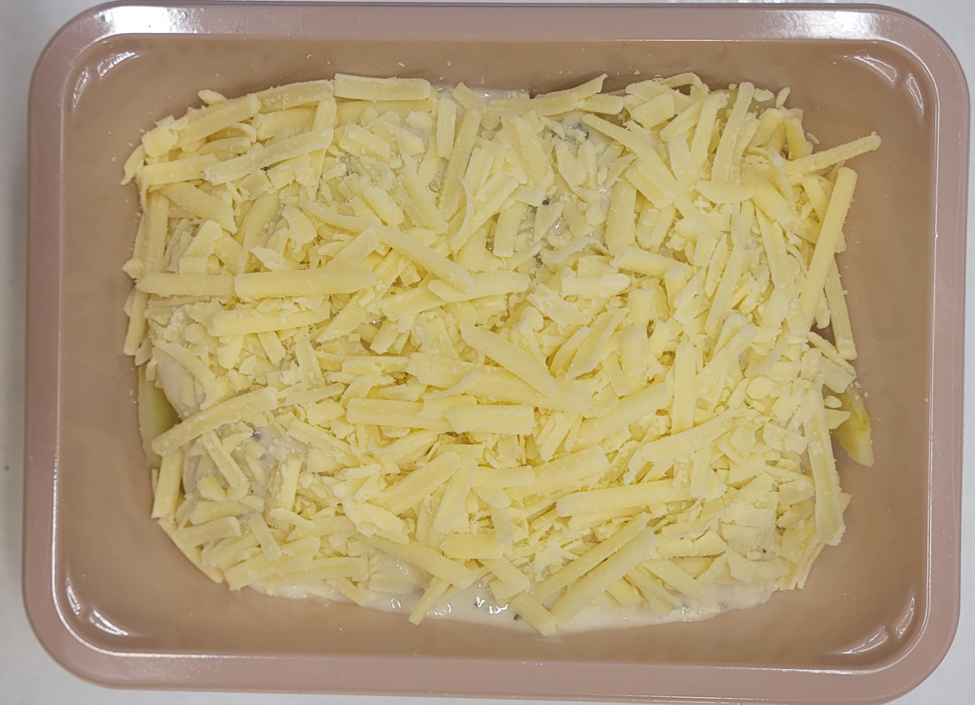

Garlic Bachamel Sauce (GFF469R): 130g |  |  |  |  | White Mature Cheddar Grated (RMJSB001-01): 30g
TOTAL WEIGHT: 350g

ALLERGY ALERT: Milk

